Vlookups examples
Facilitator - David Benaim |  |  | Click here to go to introduction
VLOOKUP examples

Ref. |  | Change to SR then Kampot, Edit! Add π
1 | Store | Mondolkiri
2 | Shoe sales | 600
3 | Dresses sales | 200
4 | T-shirt sales | 900
 | Total sales | 1,700
5 | Profit | 500
6 | Performance | AAA

 |  |  |  |  |  |  |  |  | Hlookup, lookup Dress sales

 | City | Shoe sales | Dresses sales | T-shirt sales | Profit | Performance |  |  | Items | Sihanoukville
 | Phnom Penh | 400 | 100 | 300 | -300 | NNN |  |  | Dresses sales | 500
 | Siem Reap | 300 | 800 | 700 | -100 | ___ |  |  | T-shirt sales | 100
 | Kratie | 200 | 700 | 400 | 200 | JJJ |  |  | Shoe sales | 300
 | Mondolkiri | 600 | 200 | 900 | 500 | AAA
 | Sihanoukville | 300 | 500 | 100 | 150 | OOO
 | Kampot | 100 | 400 | 600 | -20 | $$$

Ex 1: Set up your first VLOOKUP
 |  | Siem Reap
 | Shoe sales

Ex 2: Work out VLOOKUPs below.
Ref | Person | City | Profit | IFERROR profit
1 | Vichet | Mondolkiri
2 | Touch | Siem Reap
3 | Chin | Battambang
4 | Sarou | Phnom Penh
5 | Phanna | Kratie
6 | Socheat | Kampot
7 | Soklunn | Sihanoukville
 |  | Total | 0 | 0

Ex 4: Calculate amount for each Fruit? |  |  |  |  | Price per KG table
Fruit | Quantity (KG) | Price per KG | Amount |  | Ref | Fruit | Price | Fruit again
Apples | 20 |  | 0 |  | 1 | Pineapples | 0.90 | Pineapples
Mangosteens | 25 |  | 0 |  | 2 | Apples | 0.55 | Apples
Rambutan | 35 |  | 0 |  | 3 | Mangosteens | 0.95 | Mangosteens
Pineapples | 58 |  | 0 |  | 4 | Bananas | 0.40 | Bananas
Mangos | 59 |  | 0 |  | 5 | Rambutans | 0.45 | Rambutans
Apples | 67 |  | 0 |  | 6 | Mangos | 0.60 | Mangos

Ex 5: Backwards? Which fruit has price of:

Price | Fruit again | Fruit Index Match | Formula used | XLOOKUP
0.55 |  | Apples | =INDEX($G$54:$G$59,MATCH(A65,$H$54:$H$59,0)) | =XLOOKUP(C56,$G$45:$G$50,$H$45:$H$50)
0.60 |  | Mangos | =INDEX($G$54:$G$59,MATCH(A66,$H$54:$H$59,0)) | =XLOOKUP(C57,$G$45:$G$50,$H$45:$H$50)
0.90 |  | Pineapples | =INDEX($G$54:$G$59,MATCH(A67,$H$54:$H$59,0)) | =XLOOKUP(C58,$G$45:$G$50,$H$45:$H$50)

Table examples
Facilitator - David Benaim |  |  | Click here to go to introduction
Super table examples
 |  |  |  |  |  |  |  |  |  | Ex
Ref | Movie | Cinema | Boys | Men | Males | Girls | Women |  |  | 1 | Create super table!
1 | X-men | Sorya | 16 | 6 | 22 | 5.00 | 0 |  |  | 2 | Clear formats
2 | Titanic | Sorya | 13 | 7 | 20 | 19.00 | 8 |  |  | 3 | Create a red table
3 | Superman | City | 7 | 13 | 20 | 11.00 | 4 |  |  | 4 | Untick "banded rows"
4 | Avatar | Aeon | 2 | 17 | 19 | 3.00 | 4 |  |  | 5 | Scroll down! & see freeze panes.
5 | James Bond | Aeon | 13 | 6 | 19 | 19 | 4 |  |  | 6 | Add females column & calculate (Girls + Women)
6 | X-men | City | 8 | 17 | 25 | 16 | 6 |  |  | 7 | Add a new row, only 25 boys under 18.
7 | James Bond | Aeon | 18 | 6 | 24 | 15 | 17 |  |  | 8 | Add a total row
8 | Hobbit | Aeon | 14 | 15 | 29 | 30 | 24 |  |  | 9 | Add column called "Comments"
9 | Simpsons | Aeon | 14 | 10 | 24 | 15 | 22 |  |  | 10 | Create SUM formula for total girls
10 | Star wars | City | 15 | 26 | 41 | 14 | 28 |  |  | 11 | Convert back to range!
11 | Hunger games | City | 21 | 9 | 30 | 4 | 12
12 | Star wars | Sorya | 16 | 29 | 45 | 29 | 5
13 | Hobbit | Aeon | 19 | 21 | 40 | 15 | 19
14 | Titanic | Aeon | 12 | 21 | 33 | 4 | 19
15 | Hunger games | Sorya | 27 | 15 | 42 | 13 | 20
16 | Hunger games | City | 13 | 4 | 17 | 6.00 | 30
17 | Avatar | Aeon | 18 | 11 | 29 | 27.00 | 16
18 | Star wars | Sorya | 19 | 28 | 47 | 5.00 | 21
19 | Simpsons | City | 7 | 11 | 18 | 22.00 | 33
20 | Superman | Aeon | 8 | 24 | 32 | 33.00 | 21
21 | X-men | Aeon | 3 | 30 | 33 | 25.00 | 20

 |  |  | Daily cost | $35

Enter | Enter | Enter | Enter | Enter | Formula | Formula | Formula | Formula
Training days by country |  |  |  | Formula | Add countries | Daily cost x Thai | Laos/Total days | Average days
 |  |  |  |  |  |  |  |  |  | Example instructions
Ref | Course | Laos | Thailand | Cambodia | Total days | Cost for Thailand | % in Laos |  |  | 1 | Make super table
1 | Excel training | 8 | 7 | 8 |  |  |  |  |  | 2 | Clear formats
2 | Banking | 1 | 1 | 6 |  |  |  |  |  | 3 | Choose a colour you like!
3 | Banking | 1 | 7 | 8 |  |  |  |  |  | 4 | Untick "banded rows"
4 | Farming | 1 | 6 | 5 |  |  |  |  |  | 5 | Calculate the formula columns (ther formula descriptions are above the columns)
5 | Law | 4 | 6 | 8 |  |  |  |  |  | 6 | Add a new column after "% in Laos" called "Average"
6 | Excel training | 5 | 4 | 3 |  |  |  |  |  | 7 | Add a total row
7 | Excel training | 4 | 4 | 6 |  |  |  |  |  | 8 | Type "Finished" in column after "Average", then undo automatic table expansion.
8 | Law | 6 | 1 | 5 |  |  |  |  |  | 9 | How much is the total days in CAMBODIA (use SUM)
9 | Banking | 1 | 4 | 7 |  |  |  |  |  | 10 | Convert table back to range
10 | Excel training | 4 | 3 | 7
11 | Banking | 5 | 5 | 7
12 | Farming | 4 | 1 | 8
13 | Accounting | 3 | 3 | 4
14 | Excel training | 2 | 5 | 5
15 | Excel training | 3 | 3 | 4
16 | Banking | 2 | 1 | 3
17 | Accounting | 4 | 5 | 6

Ref | Category | Price ($) | Over $4 |  |  | Ref | Movie | Price | Category
1 | Classic | 4.50 | Over $4 |  |  | 1 | X-men | 3 | Mutants
2 | Fantasy | 4.25 | Over $4 |  |  | 2 | Titanic | 2.5 | Drama
 |  |  |  |  |  | 3 | Superman | 3.25 | Heroes
 |  |  |  |  |  | 4 | Avatar | 3.5 | Sci-fi 3D
 |  |  |  |  |  | 5 | Hobbit | 4.25 | Fantasy
 |  |  |  |  |  | 6 | Simpsons | 2.25 | Cartoon
Expensive movie categories
 |  |  |  |  |  | 7 | Star wars | 4.5 | Classic
 |  |  |  |  |  | 8 | Hunger games | 2.5 | Futuristic

Chart customisations

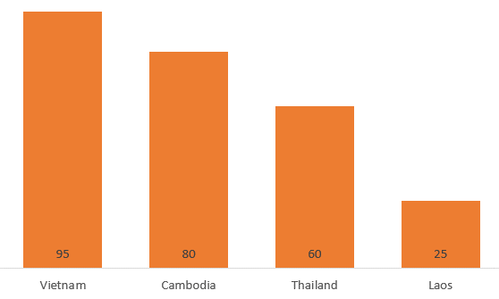
Facilitator - David Benaim |  |  |  | Click here to go to introduction
Advanced chart customisations
 |  |  |  |  | Ex A7
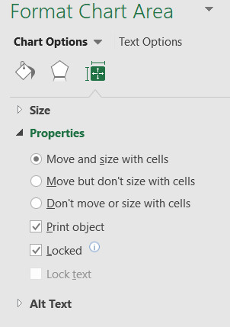
Ex A: Column chart tidy up

Country | Amount
Cambodia | $80.00
Thailand | $60.00
Vietnam | $95.00
Laos | $25.00

IN TABLE
1 | Sort numbers top to bottom
2 | Format numbers ($80.00→ 80)
IN CHART
3 | Make bars thicker (right click bar & format…→ gap width = 60)
4 | Change chart type to non-3D
5 | Add data labels
6 | Delete whats not needed (gridlines, axis, legend etc)
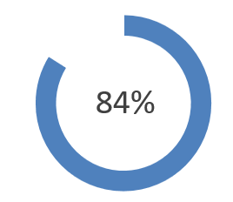
7 | Make text and data labels bigger

Ex B: Make a bi-chart

Country | Sales
Cambodia | 84%
Laos | 16%

1 | Insert donut chart
2 | Make the Laos segment transparent
3 | Add data labels, delete Laos' data label and move Cambodia's to middle
4 | Remove chart clutter
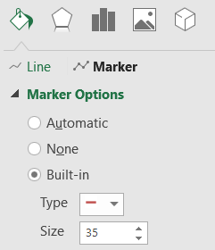
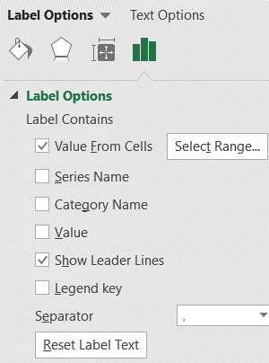
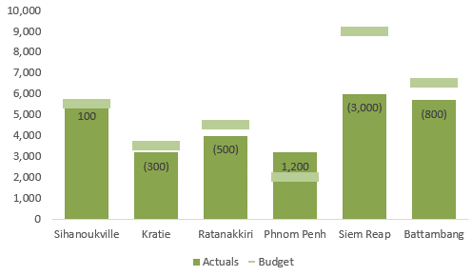
Extra examples
Ex C: Make a budget vs actuals combo chart
Province | Actuals | Budget | Difference
Sihanoukville | 5,600 | 5,500 | 100
Kratie | 3,200 | 3,500 | (300)
Ratanakkiri | 4,000 | 4,500 | (500)
Phnom Penh | 3,200 | 2,000 | 1,200
Siem Reap | 6,000 | 9,000 | (3,000)
Battambang | 5,700 | 6,500 | (800)

1 | Create a combo chart
2 | Actuals are bars & budget is line
3 | Right click on line→ Edit
4 | Click fill bucket
5 | Line set as no line
6 | Marker set type as "line" and "Built in" and choose the line option
7 | Add data labels to the COLUMN only→ Inside end
8 | Edit data labels→ Value from cells→ Select range and choose "Difference" column.
9 | Do standard column chart adjustments (like first Ex)

Ex D: Alignment & properties
1 | Select two charts→ Format→ Align → Align left
2 | Home→ Find & select→ Go to special→ Objects
3 | Right click one picture→ Size & properties→ Select "Don’t move or size with cells.

Toolbar shortcuts
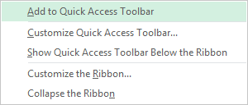
Facilitator - David Benaim |  | Click here to go to introduction
Keyboard shortcuts on the lazy toolbar! |  |  |  | Remember to "A"cess "L"azy "T"oolar press ALT.

Set up the following on your Quick Access Toolbar (PCs) or Customised toolbar (Macs)

 | Function | Icon |  | Process (PCs)
 |  |  | Ref | How to
 | Data Validation |  | 1 | Right click on any function on your toolbar (e.g. "Conditional formatting".
 | Paste values and Number formatting |  | 2 | Click on "customise Quick Access Toolbar"
 | Freeze panes (the one with no arrow after) |  | 3 | In the box "Choose commands from", select "All commands".
 | Page set up (no arrows) |  | 4 | Go to the main box underneath, and choose the command which you want & click add.
 | New window |  | 5 | Use arrow keys to move commands up and down.
 | Wrap text |  | 6 | Select OK when you're done.
 | Clear all
 | Clear formats
 | Remove duplicates |  | Process (Mac)
 | Text that contains |  | Ref: | How to:
 | Group… (the one with no arrow) |  | 1 | On the View menu, point to Toolbars, and then click Customize Toolbars and Menus.
 | Spelling (the one with no arrow) |  | 2 | Click the Toolbars and Menus tab.
 | Show formulas |  | 3 | Select the Show check box for the toolbar that you want to change.
 |  |  | 4 | Click the Commands tab.
 |  |  | 5 | Under Categories, click a category.
 |  |  | 6 | Do one of the following:

And… add others which you like
(save, undo, repeat are standard!)

Ref: | Tip: | How to:
A | Add a command to a toolbar | Under Commands, drag a command from the Commands list to where you want to add it to the toolbar or the menu bar.
B | Remove a command from a toolbar | On the toolbar or the menu bar, drag the command off the toolbar.

Printing examples
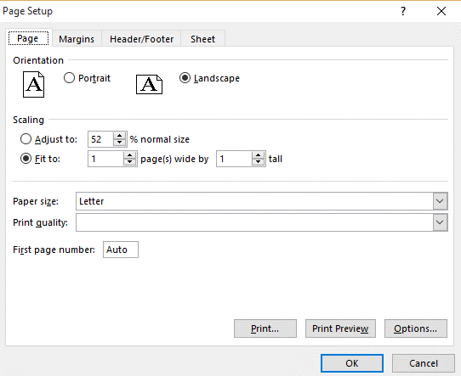
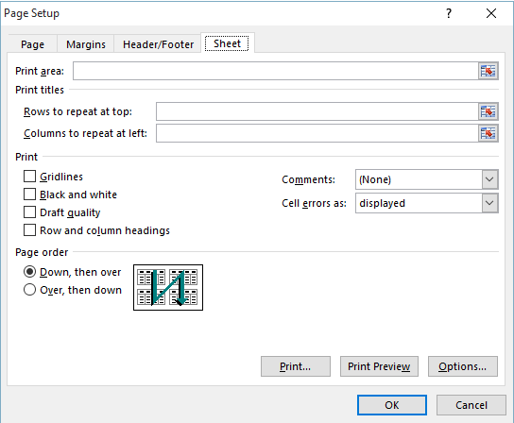
Facilitator - David Benaim |  |  | Click here to go to introduction

Viewing & printing examples
Ex
1 | Freeze panes to see titles & dates |  |  |  |  |  |  |  |  | Extra examples. Set good printing for:
2 | Open a new window & arrange all |  |  |  |  |  |  |  |  | 1 | Cond 4mat ex
3 | How does print preview look? |  |  |  |  |  |  |  |  | 2 | Keyboard shortcuts
4 | Sett to Landscape 1x1 in "page set up"
5 | Too small? Landscape 1x(blank)
6 | Set rows to repeat to be the headings.
7 | Use "page break preview" to set print to only visible.
8 | Set to print with gridlines from page set up→ Sheet

Solyna's Rock & ride Siem Reap sales
Date | Employee | Units sold | Price per unit | Income | Chart | Item sold | Raw materials | Gross profit | Notes |  | Income (per invoice) | Check
2-Nov-19 | Kong | 1 | 30 | 30 | 30 | Wheel | 400 | -370 | Raw materials very specialised so expensive |  | 30 | 0
2-Nov-19 | Solyna | 1 | 35 | 35 | 35 | Wheel | 210 | -175 |  |  | 35 | 0
2-Nov-19 | Vatey | 1 | 50 | 50 | 50 | Engine | 20 | 30 |  |  | 64 | 14
25-Oct-19 | James | 2 | 40 | 80 | 80 | Tyres | 80 | 0 | Breakeven |  | 80 | 0
9-Oct-19 | Solyna | 4 | 35 | 140 | 140 | Wheel | 210 | -70 |  |  | 70 | -70
25-Oct-19 | Solyna | 2 | 35 | 70 | 70 | Mirror | 160 | -90 |  |  | 70 | 0
25-Oct-19 | Vatey | 2 | 50 | 100 | 100 | Steering wheel | 300 | -200 | Misestimate of costs |  | 100 | 0
17-Oct-19 | James | 3 | 40 | 120 | 120 | Engine | 160 | -40 |  |  | 120 | 0
17-Oct-19 | Kong | 3 | 30 | 90 | 90 | Tyres | 10 | 80 |  |  | 90 | 0
9-Oct-19 | Vatey | 4 | 50 | 200 | 200 | Engine | 300 | -100 |  |  | 200 | 0
1-Oct-19 | James | 5 | 40 | 200 | 200 | Steering wheel | 20 | 180 |  |  | 200 | 0
1-Oct-19 | Solyna | 5 | 35 | 175 | 175 | Tyres | 50 | 125 |  |  | 175 | 0
15-Sep-19 | Kong | 7 | 30 | 210 | 210 | Mirror | 300 | -90 |  |  | 210 | 0
7-Sep-19 | James | 8 | 40 | 320 | 320 | Mirror | 100 | 220 | Highest amount |  | 320 | 0
7-Sep-19 | Kong | 8 | 30 | 240 | 240 | Steering wheel | 20 | 220 |  |  | 310 | 70
22-Aug-19 | James | 10 | 40 | 400 | 400 | Tyres | 270 | 130 |  |  | 400 | 0
23-Sep-19 | Kong | 6 | 30 | 180 | 180 | Mirror | 420 | -240 |  |  | 250 | 70
17-Oct-19 | Sammy | 3 | 15 | 45 | 45 | Tyres | 20 | 25 |  |  | 150 | 105
7-Sep-19 | Solyna | 8 | 35 | 280 | 280 | Mirror | 220 | 60 |  |  | 350 | 70
22-Aug-19 | Vatey | 10 | 50 | 500 | 500 | Wheel | 300 | 200 |  |  | 500 | 0
23-Sep-19 | Kong | 6 | 30 | 180 | 180 | Tyres | 80 | 100 |  |  | 180 | 0
6-Aug-19 | Vatey | 12 | 35 | 420 | 420 | Mirror | 530 | -110 |  |  | 420 | 0
6-Aug-19 | Sammy | 12 | 50 | 600 | 600 | Tyres | 770 | -170 |  |  | 600 | 0
1-Oct-19 | Sammy | 5 | 40 | 200 | 200 | Mirror | 70 | 130 |  |  | 200 | 0
2-Nov-19 | Solyna | 1 | 35 | 35 | 35 | Steering wheel | 80 | -45 |  |  | 35 | 0
2-Nov-19 | Kong | 1 | 35 | 35 | 35 | Mirror | 40 | -5 |  |  | 35 | 0
30-Aug-19 | James | 9 | 50 | 450 | 450 | Mirror | 300 | 150 |  |  | 450 | 0
1-Oct-19 | Vatey | 5 | 40 | 200 | 200 | Wheel | 150 | 50 |  |  | 200 | 0
2-Nov-19 | Vatey | 1 | 30 | 30 | 30 | Mirror | 20 | 10 |  |  | 30 | 0
17-Oct-19 | Solyna | 3 | 50 | 150 | 150 | Steering wheel | 400 | -250 |  |  | 150 | 0
2-Nov-19 | Kong | 1 | 40 | 40 | 40 | Steering wheel | 140 | -100 |  |  | 40 | 0
22-Aug-19 | Kong | 10 | 35 | 350 | 350 | Engine | 200 | 150 |  |  | 350 | 0
14-Aug-19 | Sammy | 11 | 30 | 330 | 330 | Wheel | 100 | 230 | High cost, client is choosing another company now |  | 330 | 0
17-Oct-19 | James | 3 | 40 | 120 | 120 | Engine | 420 | -300 |  |  | 120 | 0
25-Oct-19 | James | 2 | 30 | 60 | 60 | Wheel | 80 | -20 |  |  | 60 | 0
17-Oct-19 | Solyna | 3 | 40 | 120 | 120 | Wheel | 340 | -220 |  |  | 120 | 0
6-Aug-19 | Sammy | 12 | 30 | 360 | 360 | Engine | 120 | 240 |  |  | 360 | 0
14-Aug-19 | James | 11 | 15 | 165 | 165 | Tyres | 120 | 45 |  |  | 165 | 0
7-Sep-19 | Kong | 1 | 30 | 30 | 30 | Wheel | 400 | -370 | Raw materials very specialised so expensive |  | 30 | 0
6-Sep-19 | Solyna | 1 | 35 | 35 | 35 | Wheel | 210 | -175 |  |  | 35 | 0
5-Sep-19 | Vatey | 1 | 50 | 50 | 50 | Engine | 20 | 30 |  |  | 64 | 14
27-Aug-19 | James | 2 | 40 | 80 | 80 | Tyres | 80 | 0 | Breakeven |  | 80 | 0
10-Aug-19 | Solyna | 4 | 35 | 140 | 140 | Wheel | 210 | -70 |  |  | 70 | -70
25-Aug-19 | Solyna | 2 | 35 | 70 | 70 | Mirror | 160 | -90 |  |  | 70 | 0
24-Aug-19 | Vatey | 2 | 50 | 100 | 100 | Steering wheel | 300 | -200 | Misestimate of costs |  | 100 | 0
15-Aug-19 | James | 3 | 40 | 120 | 120 | Engine | 160 | -40 |  |  | 120 | 0
14-Aug-19 | Kong | 3 | 30 | 90 | 90 | Tyres | 10 | 80 |  |  | 90 | 0
5-Aug-19 | Vatey | 4 | 50 | 200 | 200 | Engine | 300 | -100 |  |  | 200 | 0
27-Jul-19 | James | 5 | 40 | 200 | 200 | Steering wheel | 20 | 180 |  |  | 200 | 0
26-Jul-19 | Solyna | 5 | 35 | 175 | 175 | Tyres | 50 | 125 |  |  | 175 | 0
9-Jul-19 | Kong | 1 | 30 | 30 | 30 | Mirror | 300 | -270 |  |  | 210 | 180
30-Jun-19 | James | 3 | 40 | 120 | 120 | Mirror | 100 | 20 | Highest amount |  | 320 | 200
29-Jun-19 | Kong | 8 | 30 | 240 | 240 | Steering wheel | 20 | 220 |  |  | 310 | 70
12-Jun-19 | James | 6 | 40 | 240 | 240 | Tyres | 270 | -30 |  |  | 400 | 160
13-Jul-19 | Kong | 10 | 30 | 300 | 300 | Mirror | 420 | -120 |  |  | 250 | -50
5-Aug-19 | Sammy | 4 | 15 | 60 | 60 | Tyres | 20 | 40 |  |  | 150 | 90
25-Jun-19 | Solyna | 1 | 35 | 35 | 35 | Mirror | 220 | -185 |  |  | 350 | 315
8-Jun-19 | Vatey | 4 | 50 | 200 | 200 | Wheel | 300 | -100 |  |  | 500 | 300
9-Jul-19 | Kong | 9 | 30 | 270 | 270 | Tyres | 80 | 190 |  |  | 270 | 0
21-May-19 | Vatey | 7 | 35 | 245 | 245 | Mirror | 530 | -285 |  |  | 245 | 0
20-May-19 | Sammy | 1 | 50 | 50 | 50 | Tyres | 770 | -720 |  |  | 50 | 0
14-Jul-19 | Sammy | 2 | 40 | 80 | 80 | Mirror | 70 | 10 |  |  | 80 | 0
14-Aug-19 | Solyna | 1 | 35 | 35 | 35 | Steering wheel | 80 | -45 |  |  | 35 | 0
13-Aug-19 | Kong | 1 | 35 | 35 | 35 | Mirror | 40 | -5 |  |  | 35 | 0
9-Jun-19 | James | 4 | 50 | 200 | 200 | Mirror | 300 | -100 |  |  | 200 | 0
10-Jul-19 | Vatey | 2 | 40 | 80 | 80 | Wheel | 150 | -70 |  |  | 80 | 0
10-Aug-19 | Vatey | 3 | 30 | 90 | 90 | Mirror | 20 | 70 |  |  | 90 | 0
24-Jul-19 | Solyna | 3 | 50 | 150 | 150 | Steering wheel | 400 | -250 |  |  | 150 | 0
8-Aug-19 | Kong | 3 | 40 | 120 | 120 | Steering wheel | 140 | -20 |  |  | 130 | 10
27-May-19 | Kong | 9 | 35 | 315 | 315 | Engine | 200 | 115 |  |  | 315 | 0
18-May-19 | Sammy | 10 | 30 | 300 | 300 | Wheel | 100 | 200 | High cost, client is choosing another company now |  | 300 | 0
20-Jul-19 | James | 4 | 40 | 160 | 160 | Engine | 420 | -260 |  |  | 160 | 0
27-Jul-19 | James | 9 | 30 | 270 | 270 | Wheel | 80 | 190 |  |  | 270 | 0
18-Jul-19 | Solyna | 6 | 40 | 240 | 240 | Wheel | 340 | -100 |  |  | 240 | 0
6-May-19 | Sammy | 8 | 30 | 240 | 240 | Engine | 120 | 120 |  |  | 240 | 0
13-May-19 | James | 9 | 15 | 135 | 135 | Tyres | 120 | 15 |  |  | 135 | 0
5-Jun-19 | Kong | 7 | 30 | 210 | 210 | Mirror | 300 | -90 |  |  | 210 | 0
3-Jun-19 | James | 3 | 40 | 120 | 120 | Mirror | 100 | 20 | Highest amount |  | 120 | 0
1-Jun-19 | Kong | 1 | 30 | 30 | 30 | Steering wheel | 20 | 10 |  |  | 30 | 0
22-May-19 | James | 6 | 40 | 240 | 240 | Tyres | 270 | -30 |  |  | 240 | 0
4-May-19 | Kong | 8 | 30 | 240 | 240 | Mirror | 420 | -180 |  |  | 240 | 0
18-May-19 | Sammy | 6 | 15 | 90 | 90 | Tyres | 20 | 70 |  |  | 90 | 0
16-May-19 | Solyna | 9 | 35 | 315 | 315 | Mirror | 220 | 95 |  |  | 315 | 0
6-May-19 | Vatey | 7 | 50 | 350 | 350 | Wheel | 300 | 50 |  |  | 350 | 0
4-May-19 | Kong | 8 | 30 | 240 | 240 | Tyres | 80 | 160 |  |  | 240 | 0
24-Apr-19 | Vatey | 6 | 35 | 210 | 210 | Mirror | 530 | -320 |  |  | 200 | -10
14-Apr-19 | Sammy | 1 | 50 | 50 | 50 | Tyres | 770 | -720 |  |  | 50 | 0
12-Apr-19 | Sammy | 4 | 40 | 160 | 160 | Mirror | 70 | 90 |  |  | 160 | 0
25-Mar-19 | Solyna | 3 | 35 | 105 | 105 | Steering wheel | 80 | 25 |  |  | 105 | 0
15-Mar-19 | Kong | 1 | 35 | 35 | 35 | Mirror | 40 | -5 |  |  | 45 | 10
13-Mar-19 | James | 3 | 50 | 150 | 150 | Mirror | 300 | -150 |  |  | 150 | 0
23-Feb-19 | Vatey | 4 | 40 | 160 | 160 | Wheel | 150 | 10 |  |  | 160 | 0
25-Mar-19 | Vatey | 1 | 30 | 30 | 30 | Mirror | 20 | 10 |  |  | 30 | 0
16-Apr-19 | Solyna | 9 | 50 | 450 | 450 | Steering wheel | 400 | 50 |  |  | 450 | 0
5-Mar-19 | Kong | 2 | 40 | 80 | 80 | Steering wheel | 140 | -60 |  |  | 80 | 0
15-Feb-19 | Kong | 9 | 35 | 315 | 315 | Engine | 200 | 115 |  |  | 315 | 0
17-Mar-19 | Sammy | 9 | 30 | 270 | 270 | Wheel | 100 | 170 | High cost, client is choosing another company now |  | 270 | 0
26-Jan-19 | James | 10 | 40 | 400 | 400 | Engine | 420 | -20 |  |  | 400 | 0
24-Jan-19 | James | 6 | 30 | 180 | 180 | Wheel | 80 | 100 |  |  | 180 | 0
19-Mar-19 | Solyna | 1 | 40 | 40 | 40 | Wheel | 340 | -300 |  |  | 40 | 0
18-Apr-19 | Sammy | 8 | 30 | 240 | 240 | Engine | 120 | 120 |  |  | 240 | 0
16-Apr-19 | James | 10 | 15 | 150 | 150 | Tyres | 120 | 30 |  |  | 150 | 0
9-Feb-19 | Kong | 5 | 30 | 150 | 150 | Mirror | 300 | -150 |  |  | 150 | 0
11-Mar-19 | James | 5 | 40 | 200 | 200 | Mirror | 100 | 100 | Highest amount |  | 200 | 0
10-Apr-19 | Kong | 8 | 30 | 240 | 240 | Steering wheel | 20 | 220 |  |  | 240 | 0
23-Mar-19 | James | 8 | 40 | 320 | 320 | Tyres | 270 | 50 |  |  | 320 | 0
6-Apr-19 | Kong | 8 | 30 | 240 | 240 | Mirror | 420 | -180 |  |  | 240 | 0
22-Jan-19 | Sammy | 9 | 15 | 135 | 135 | Tyres | 20 | 115 |  |  | 135 | 0
12-Jan-19 | Solyna | 5 | 35 | 175 | 175 | Mirror | 220 | -45 |  |  | 175 | 0
15-Mar-19 | Vatey | 8 | 50 | 400 | 400 | Wheel | 300 | 100 |  |  | 400 | 0
21-Mar-19 | Kong | 1 | 30 | 30 | 30 | Tyres | 80 | -50 |  |  | 30 | 0
11-Mar-19 | Vatey | 3 | 35 | 105 | 105 | Mirror | 530 | -425 |  |  | 105 | 0
27-Dec-18 | Sammy | 5 | 50 | 250 | 250 | Tyres | 770 | -520 |  |  | 250 | 0
2-Jan-19 | Sammy | 2 | 40 | 80 | 80 | Mirror | 70 | 10 |  |  | 80 | 0
24-Jan-19 | Solyna | 9 | 35 | 315 | 315 | Steering wheel | 80 | 235 |  |  | 315 | 0
21-Jan-19 | Kong | 4 | 35 | 140 | 140 | Mirror | 40 | 100 |  |  | 140 | 0
18-Jan-19 | James | 5 | 50 | 250 | 250 | Mirror | 300 | -50 |  |  | 260 | 10
7-Jan-19 | Vatey | 5 | 40 | 200 | 200 | Wheel | 150 | 50 |  |  | 200 | 0
19-Dec-18 | Vatey | 4 | 30 | 120 | 120 | Mirror | 20 | 100 |  |  | 120 | 0
1-Jan-19 | Solyna | 1 | 50 | 50 | 50 | Steering wheel | 400 | -350 |  |  | 50 | 0
29-Dec-18 | Kong | 7 | 40 | 280 | 280 | Steering wheel | 140 | 140 |  |  | 280 | 0
18-Dec-18 | Kong | 3 | 35 | 105 | 105 | Engine | 200 | -95 |  |  | 105 | 0
15-Dec-18 | Sammy | 4 | 30 | 120 | 120 | Wheel | 100 | 20 | High cost, client is choosing another company now |  | 125 | 5
4-Dec-18 | James | 1 | 40 | 40 | 40 | Engine | 420 | -380 |  |  | 40 | 0
23-Nov-18 | James | 3 | 30 | 90 | 90 | Wheel | 80 | 10 |  |  | 90 | 0
20-Nov-18 | Solyna | 5 | 40 | 200 | 200 | Wheel | 340 | -140 |  |  | 200 | 0
1-Nov-18 | Sammy | 3 | 30 | 90 | 90 | Engine | 120 | -30 |  |  | 90 | 0
21-Oct-18 | James | 5 | 15 | 75 | 75 | Tyres | 120 | -45 |  |  | 75 | 0
 | Total | 630 | 4,640 | 22,100 |  |  | 26,280 | (4,180) |  |  | 23,593

